Sheet1
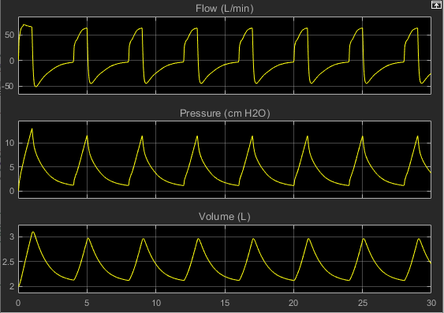
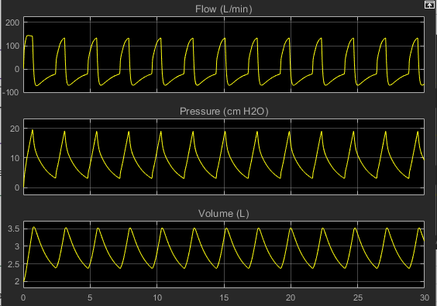
S NO | DESCIPTION |  | RESULT | REMARKS
1) | RESPIRATORY RATE | 15 s^-1 |  | The first wave is slightly out of shape, But the feedback of error corrects the signal.
 | TIDAL VOLUME | 1 L
 | I:E RATIO | 2020-01-03
 | TRANSFER FUNCTION | 1/(0.1s +1)
 | PEAK INSPIRATORY PRESSURE | -

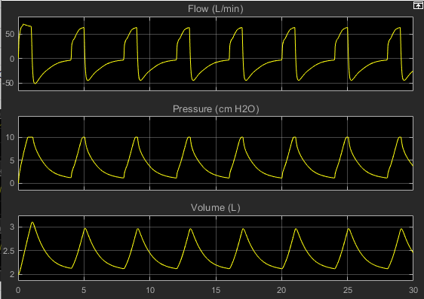
2) | RESPIRATORY RATE | 15 s^-1 |  | Peak pressure is set to avoid barotrauma. whenever it shoots over 10, it is limited to Peak inspiratory.
 | TIDAL VOLUME | 1 L
 | I:E RATIO | 2020-01-03
 | TRANSFER FUNCTION | 1/(0.1s +1)
 | PEAK INSPIRATORY PRESSURE | 10 cm H20

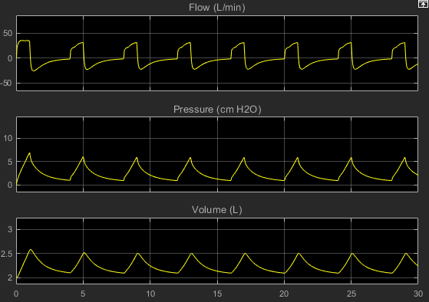
3) | RESPIRATORY RATE | 15 s^-1 |  | Shape of the flow curve, pressure curve aren't much affected by changing Tidal volume, that implies it is functional over the range
 | TIDAL VOLUME | 0.5 L
 | I:E RATIO | 2020-01-03
 | TRANSFER FUNCTION | 1/(0.1s +1)
 | PEAK INSPIRATORY PRESSURE | 10 cm H20

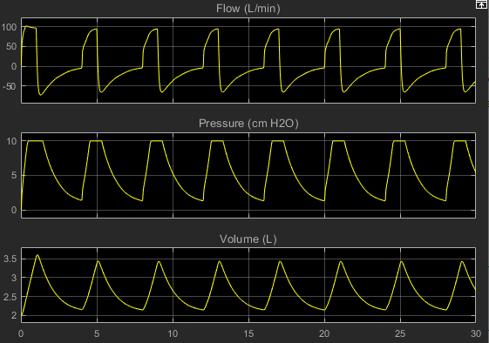
4) | RESPIRATORY RATE | 15 s^-1
 | TIDAL VOLUME | 1.5 L
 | I:E RATIO | 2020-01-03
 | TRANSFER FUNCTION | 1/(0.1s +1)
 | PEAK INSPIRATORY PRESSURE | 10 cm H20

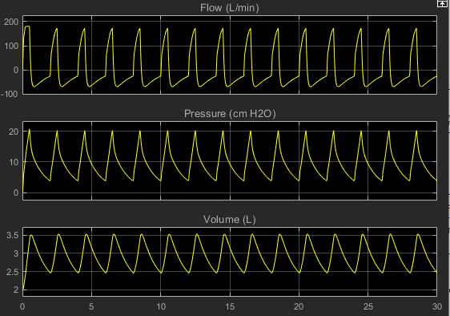
5) | RESPIRATORY RATE | 30 s^-1 |  | upper Cap for flow rate is also set since if it overshoots, it can be fatal
 | TIDAL VOLUME | 1.5 L
 | I:E RATIO | 2020-01-03
 | TRANSFER FUNCTION | 1/(0.1s +1)
 | PEAK INSPIRATORY PRESSURE | 25cm H20
 | PEAK FLOW RATE | 180 L/min

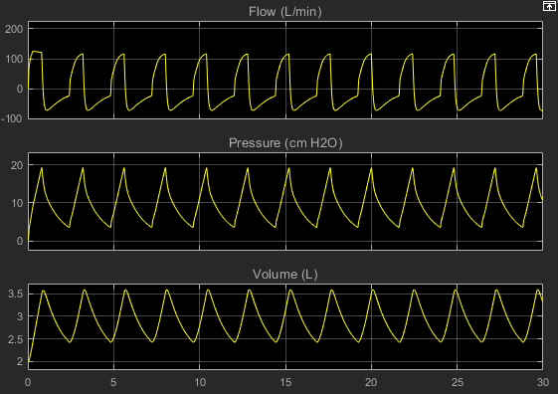
6) | RESPIRATORY RATE | 25 s^-1 |  | I:E ratio must be able to be varied around 1:2 to 1:4.
 | TIDAL VOLUME | 1.5 L
 | I:E RATIO | 2020-01-02
 | TRANSFER FUNCTION | 1/(0.1s +1)
 | PEAK INSPIRATORY PRESSURE | 25cm H20

7) | RESPIRATORY RATE | 25 s^-1 |  | 1:2.5 is the optimum I:E ratio
 | TIDAL VOLUME | 1.5 L
 | I:E RATIO | 1/2.5
 | TRANSFER FUNCTION | 1/(0.1s +1)
 | PEAK INSPIRATORY PRESSURE | 25cm H20

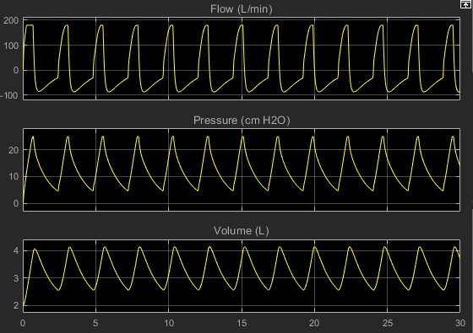
8) | RESPIRATORY RATE | 25 s^-1 |  | Transfer function has been applied over a pulse generator with input time period, frequency and phase width so that the required flow curve is obtained. changes in numerator and denominator coefficients have been made
 | TIDAL VOLUME | 1.5 L
 | I:E RATIO | 1/2.5
 | TRANSFER FUNCTION | 1/(0.1s +0.7)
 | PEAK INSPIRATORY PRESSURE | 25cm H20

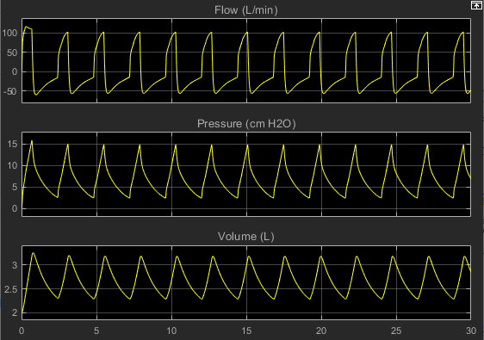
9) | RESPIRATORY RATE | 25 s^-1
 | TIDAL VOLUME | 1.5 L
 | I:E RATIO | 1/2.5
 | TRANSFER FUNCTION | 1/(0.1s +1.3)
 | PEAK INSPIRATORY PRESSURE | 25cm H20

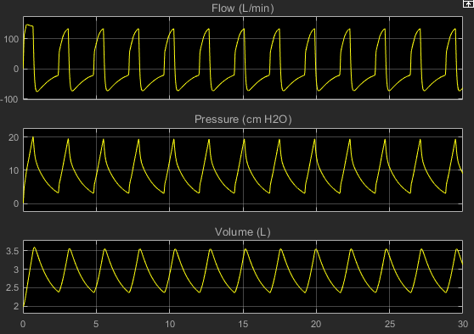
10) | RESPIRATORY RATE | 25 s^-1
 | TIDAL VOLUME | 1.5 L
 | I:E RATIO | 1/2.5
 | TRANSFER FUNCTION | 1.3/(0.1s +1.3)
 | PEAK INSPIRATORY PRESSURE | 25cm H20

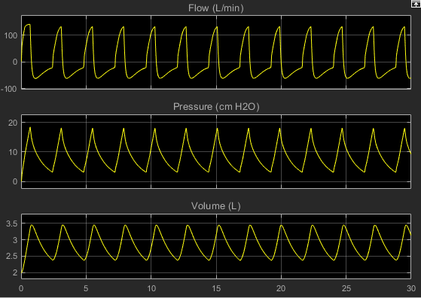
11) | RESPIRATORY RATE | 25 s^-1
 | TIDAL VOLUME | 1.5 L
 | I:E RATIO | 1/2.5
 | TRANSFER FUNCTION | 1.3/(0.2s +1.3)
 | PEAK INSPIRATORY PRESSURE | 25cm H20

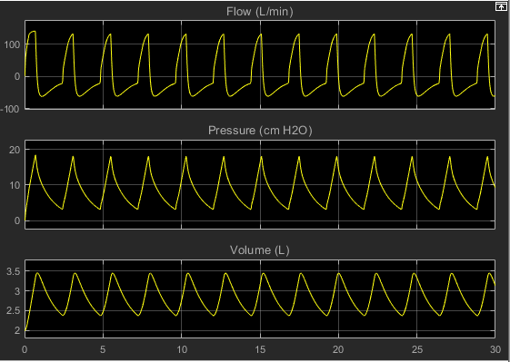
12) | RESPIRATORY RATE | 25 s^-1 |  | Tried to model patient effort by adding a pulse generator waveform as input from muscle pressure. it gave the same result
 | TIDAL VOLUME | 1.5 L
 | I:E RATIO | 1/2.5
 | TRANSFER FUNCTION | 1.3/(0.2s +1.3)
 | PEAK INSPIRATORY PRESSURE | 25cm H20
 | INPUT LUNG PRESSURE | pulse generator input 4s time period, -1 cm H20 amplitude, 90% pulse width

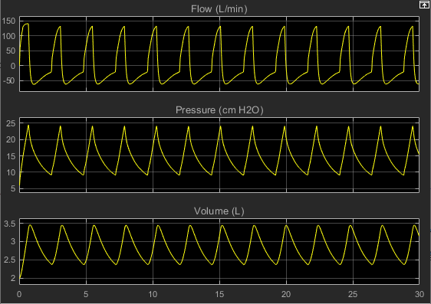
13) | RESPIRATORY RATE | 25 s^-1 |  | Added positive en expiratory pressure
 | TIDAL VOLUME | 1.5 L
 | I:E RATIO | 1/2.5
 | TRANSFER FUNCTION | 1.3/(0.2s +1.3)
 | PEAK INSPIRATORY PRESSURE | 25cm H20
 | PEEP | 6 cm h20

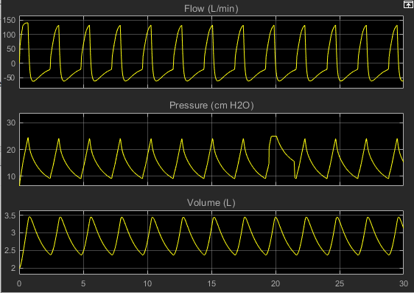
14) | RESPIRATORY RATE | 25 s^-1 |  | Could model inspiratory effort by adding a peak of 6 cm H20 at 19s
 | TIDAL VOLUME | 1.5 L
 | I:E RATIO | 1/2.5
 | TRANSFER FUNCTION | 1.3/(0.2s +1.3)
 | PEAK INSPIRATORY PRESSURE | 25cm H20
 | PEEP | 6 cm h20
 | INSPIRATORY EFFORT | at 19s, 6 cm h20

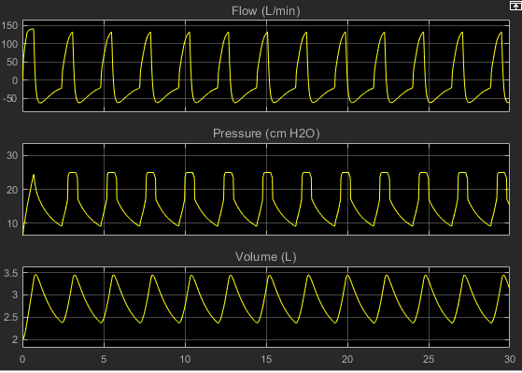
15) | RESPIRATORY RATE | 25 s^-1 |  | As peak pressure is reached, an inspiratory pause of 1s is observed before expiration cycle
 | TIDAL VOLUME | 1.5 L
 | I:E RATIO | 1/2.5
 | TRANSFER FUNCTION | 1.3/(0.2s +1.3)
 | PEAK INSPIRATORY PRESSURE | 25cm H20
 | PEEP | 6 cm h20
 | Inspiratory pause | 1s

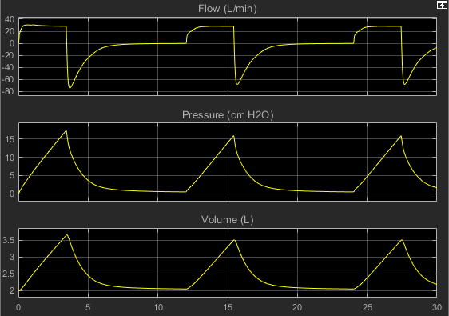
16) | RESPIRATORY RATE | 5 s^-1
 | TIDAL VOLUME | 1.5 L
 | I:E RATIO | 1/2.5
 | TRANSFER FUNCTION | 1.3/(0.2s +1.3)
 | PEAK INSPIRATORY PRESSURE | 25cm H20
 | PEEP | 6 cm h20
 | ERROR CONTROL | Pressure and volume

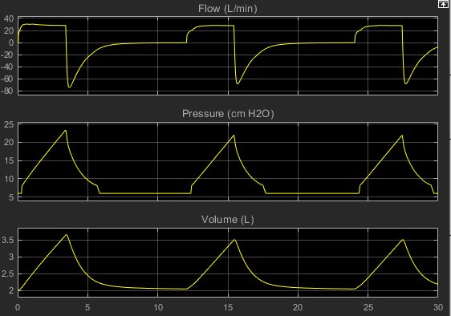
17) | RESPIRATORY RATE | 5 s^-1
 | TIDAL VOLUME | 1.5 L
 | I:E RATIO | 1/2.5
 | TRANSFER FUNCTION | 1.3/(0.2s +1.3)
 | PEAK INSPIRATORY PRESSURE | 25cm H20
 | PEEP | 6 cm h20
 | ERROR CONTROL | Pressure and volume
 | Inspiratory pause

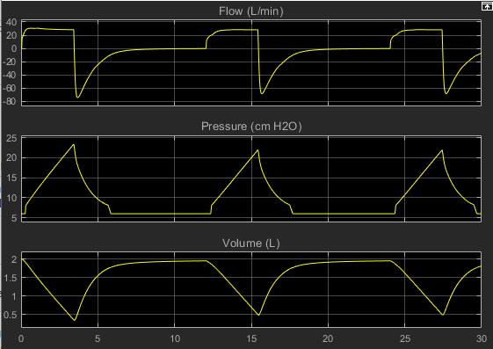
18) | RESPIRATORY RATE | 5 s^-1
 | TIDAL VOLUME | 1.5 L
 | I:E RATIO | 1/2.5
 | TRANSFER FUNCTION | 1.3/(0.2s +1.3)
 | PEAK INSPIRATORY PRESSURE | 25cm H20
 | PEEP | 6 cm h20
 | ERROR CONTROL | Pressure and volume
 | Inspiratory pause
 | Lung orientation | negative

 | PROBLEMS WITH PRESSURE CONTROL MODE

 | Couldn't understand the behavaior of inspiratory tube and volume check valve to correct error. as a result cannot obtain a closed loop control sytem. transfer function calculations are wrong, hence proper waveform for airway pressure hasn't been obtained. Also couldn't model trigger sensitivity in pcv

